SPEC
 |  |  |  |  |  |  |  |  | 2084
ARTICLE | PHOTO | COLOR IT | COLOR | DESCRIPTION | COMPOSITION | BRAND | MADE IN | GENDER | QTY | XS | S | M | L | XL | XXL | 3XL | 4XL | 5XL | 6XL | 7XL
80634I-S | 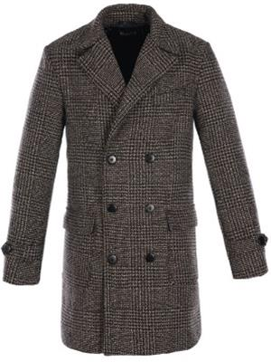 | PRINCIPE | PRINCIPE | JACKET | POLYESTERE | GARAGE | CHINA | MAN | 7 |  |  |  | 7
80642RPS | 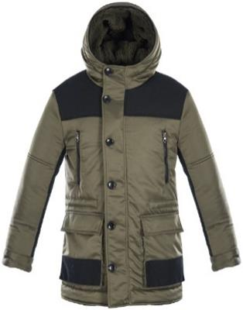 | VERDE | GREEN | JACKET | POLYESTERE | GARAGE | CHINA | MAN | 8 |  |  | 8
80643K-S | 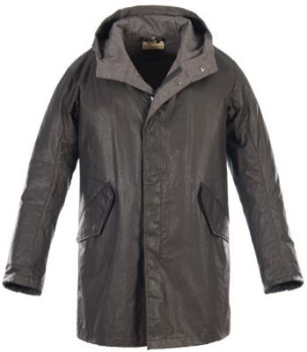 | NERO | BLACK | JACKET | POLYESTERE | GARAGE | CHINA | MAN | 5 |  | 1 |  | 4
80646V-S | 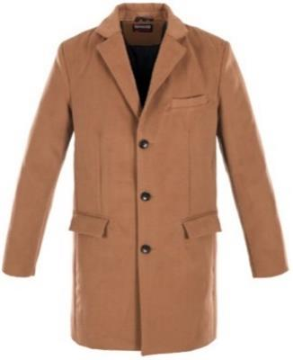 | CAMMELLO | CAMEL | JACKET | POLYESTERE | GARAGE | CHINA | MAN | 10 |  |  |  | 10
80648PE | 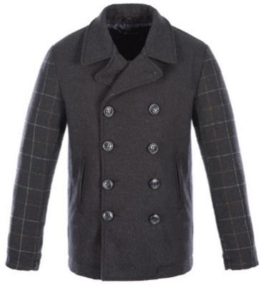 | BLU | BLUE | JACKET | POLYESTERE | GARAGE | CHINA | MAN | 6 |  | 1 |  | 1 |  | 3 | 1
0640E-C | 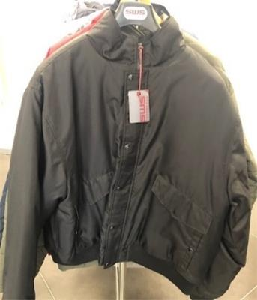 | NERO | BLACK | JACKET | POLYESTERE | SWS | CHINA | MAN | 1 |  |  |  |  |  |  |  |  | 1
10696GN-S | 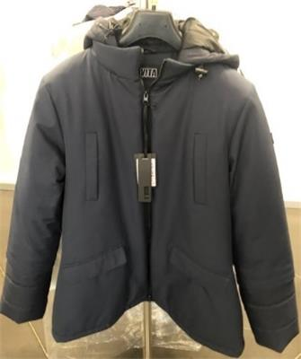 | BLU | BLUE | JACKET | POLYESTERE | E' VITA | CHINA | MAN | 2 |  | 1 | 1
132618T-S | 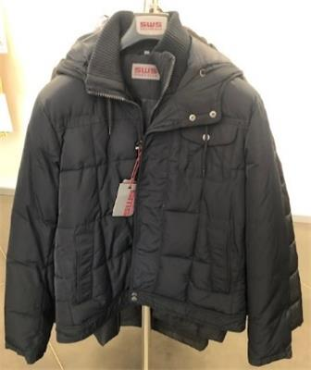 | BLU | BLUE | JACKET | POLYESTERE | SWS | CHINA | MAN | 1 |  |  |  | 1
132618T-S |  | FANGO | GREY BROWN | JACKET | POLYESTERE | SWS | CHINA | MAN | 1 |  |  | 1
18220641C-H-S | 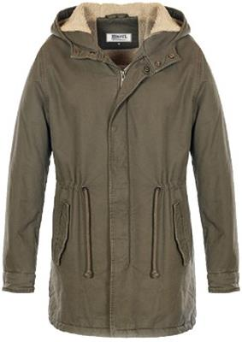 | BORDEAUX | BORDEAUX | JACKET | COTTON | DARITEX | BANGLADESH | MAN | 14 | 4 | 5 | 2 | 3
18220641C-H-S |  | NERO | BLACK | JACKET | COTTON | DARITEX | BANGLADESH | MAN | 153 | 1 | 24 | 33 | 39 | 34 | 13 | 9
18220641C-H-S |  | PIOMBO | PLUMBUM | JACKET | COTTON | DARITEX | BANGLADESH | MAN | 24 |  | 7 | 8 | 6 | 3
18220641C-H-S |  | SENAPE | MUSTARD | JACKET | COTTON | DARITEX | BANGLADESH | MAN | 111 |  | 13 | 22 | 30 | 30 | 14 | 2
18220641C-H-S |  | V.MILITARE | V.MILITARE | JACKET | COTTON | DARITEX | BANGLADESH | MAN | 17 |  | 6 | 6 | 5
18220670B-S | 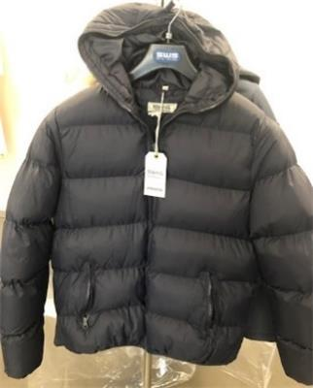 | NAVY | NAVY | JACKET | POLYESTERE | SWS | CHINA | MAN | 131 |  | 6 | 29 | 52 | 39 | 5
18220670B-S |  | NERO | BLACK | JACKET | POLYESTERE | SWS | CHINA | MAN | 7 |  | 3 | 2 | 2
18220675X-MP-S | 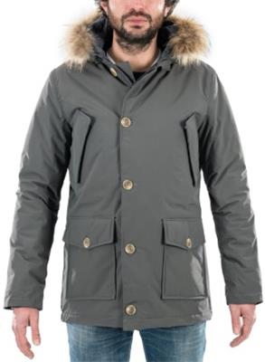 | BLU | BLUE | JACKET | NYLON | NEUTRO | CHINA | MAN | 27 |  | 3 | 9 | 5 | 6 | 1 | 3
18220675X-MP-S |  | PIOMBO | PLUMBUM | JACKET | NYLON | NEUTRO | CHINA | MAN | 17 |  |  | 2 | 8 | 7
18240617N-S | 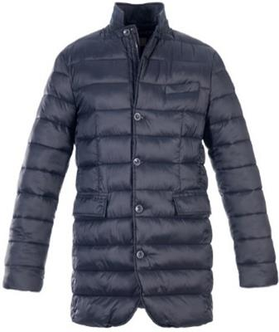 | BLU | BLUE | JACKET | POLYESTERE | DARITEX | CHINA | MAN | 13 |  | 1 | 3 | 2 | 4 | 3
18240617N-S |  | PIOMBO | PLUMBUM | JACKET | POLYESTERE | DARITEX | CHINA | MAN | 2 |  |  |  | 1 | 1
18240618B-S | 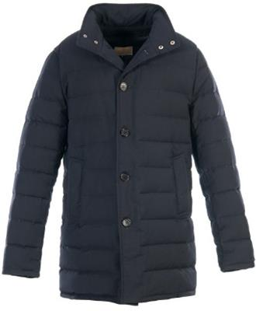 | BLU | BLUE | JACKET | POLYESTERE | DARITEX | CHINA | MAN | 8 |  | 1 |  |  |  | 6 | 1
18240618B-S |  | PIOMBO | PLUMBUM | JACKET | POLYESTERE | DARITEX | CHINA | MAN | 4 |  | 1 |  | 1 | 2
18240623DL-S | 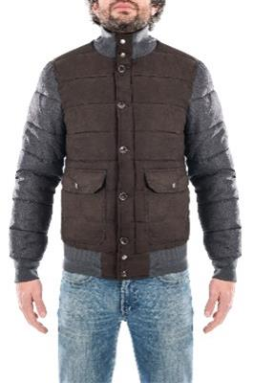 | BLU | BLUE | JACKET | POLYESTERE | NEUTRO | CHINA | MAN | 43 |  | 3 | 9 | 11 | 7 | 7 | 6
18240623DL-S |  | FANGO | GREY BROWN | JACKET | POLYESTERE | NEUTRO | CHINA | MAN | 2 |  | 1 | 1
18240623DL-S |  | PIOMBO | PLUMBUM | JACKET | POLYESTERE | NEUTRO | CHINA | MAN | 21 |  | 2 | 2 | 6 | 3 | 4 | 4
18240626TL-S | 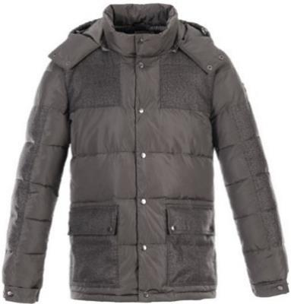 | BLU | BLUE | JACKET | POLYESTERE | DARITEX | CHINA | MAN | 2 |  |  | 1 |  |  | 1
18240626TL-S |  | PIOMBO | PLUMBUM | JACKET | POLYESTERE | DARITEX | CHINA | MAN | 17 |  |  | 9 | 7 | 1
18240636JG-S | 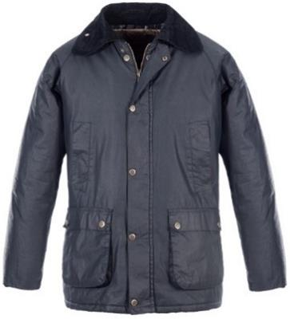 | BLU | BLUE | JACKET | COTTON/PU | NEUTRO | CHINA | MAN | 60 |  | 13 | 8 | 14 | 17 | 6 | 2
18240636JG-S |  | NERO | BLACK | JACKET | COTTON/PU | NEUTRO | CHINA | MAN | 48 |  | 8 | 7 | 10 | 11 | 8 | 4
18240659X-S | 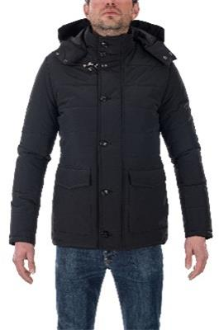 | BLU | BLUE | JACKET | NYLON | DARITEX | CHINA | MAN | 2 |  |  |  | 1 | 1
18240659X-S |  | NERO | BLACK | JACKET | NYLON | DARITEX | CHINA | MAN | 9 |  |  | 3 | 3 | 1 | 1 | 1
18240659X-S |  | V.MILITARE | V.MILITARE | JACKET | NYLON | DARITEX | CHINA | MAN | 35 |  | 1 | 12 | 9 | 6 | 7
20667B-CS | 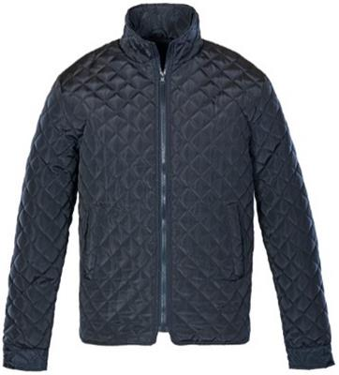 | BLU | BLUE | JACKET | POLYESTERE | SINFUL | CHINA | MAN | 8 |  |  |  |  |  |  | 5 | 2 | 1
18240661N-S | 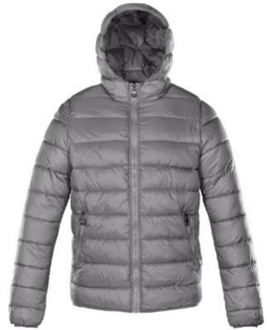 | BLU | BLUE | JACKET | POLYESTERE | DARITEX | CHINA | MAN | 1 |  |  | 1
18240661N-S |  | BORDEAUX | BORDEAUX | JACKET | POLYESTERE | DARITEX | CHINA | MAN | 15 | 1 | 2 | 1 | 8 | 2 | 1
18270678G-S | 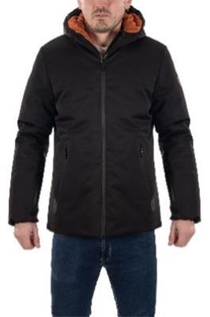 | BLU | BLUE | JACKET | POLYESTERE | NEUTRO | CHINA | MAN | 90 |  | 1 | 16 | 40 | 17 | 15 | 1
18270678G-S |  | NERO | BLACK | JACKET | POLYESTERE | NEUTRO | CHINA | MAN | 188 |  | 26 | 42 | 43 | 43 | 18 | 16
18280616L-S | 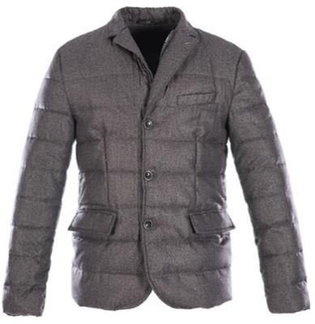 | BLU | BLUE | JACKET | POLYESTERE | DARITEX | CHINA | MAN | 11 |  | 1 | 2 | 4 | 3 |  | 1
18280616L-S |  | FANGO | GREY BROWN | JACKET | POLYESTERE | DARITEX | CHINA | MAN | 3 |  |  | 1 | 1 |  | 1
18280616L-S |  | PIOMBO | PLUMBUM | JACKET | POLYESTERE | DARITEX | CHINA | MAN | 1 |  |  |  | 1
18280635J-S | 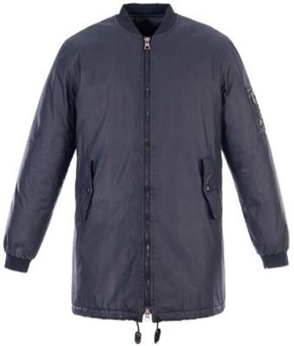 | BLU | BLUE | JACKET | COTTON/PU | DARITEX | CHINA | MAN | 97 |  | 9 | 17 | 25 | 25 | 16 | 5
18280635J-S |  | NERO | BLACK | JACKET | COTTON/PU | DARITEX | CHINA | MAN | 27 |  |  | 11 | 1 | 7 | 7 | 1
18280641Y-S | 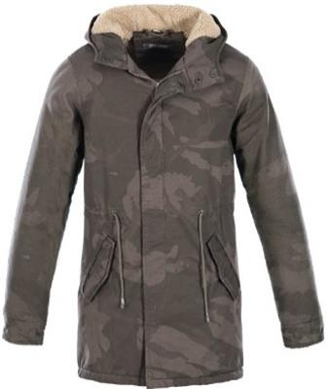 | V.MILITARE | V.MILITARE | JACKET | COTTON | FLANAGAN | BANGLADESH | MAN | 7 |  | 1 | 1 | 1 | 4
18280649PE-S | 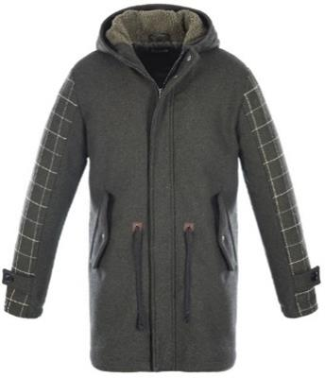 | VERDE | GREEN | JACKET | POLYESTERE/WOOL | DARITEX | CHINA | MAN | 34 |  |  | 3 | 16 | 10 | 4 | 1
18280673X-C-S | 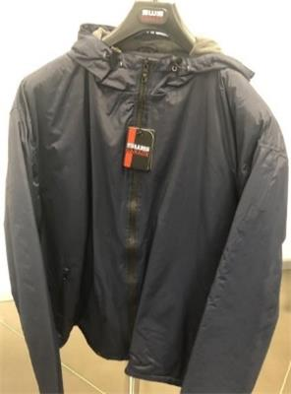 | BLU | BLUE | JACKET | NYLON | DARITEX | CHINA | MAN | 4 |  |  |  |  |  |  |  | 1 | 1 | 1 | 1
18280673X-C-S |  | NERO | BLACK | JACKET | NYLON | DARITEX | CHINA | MAN | 7 |  |  |  |  |  |  |  | 2 | 2 | 2 | 1
80657NX-S | 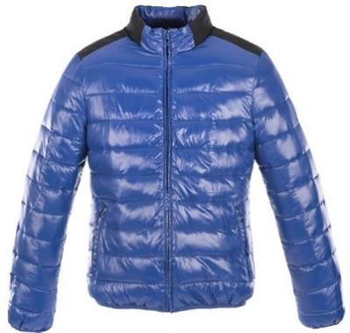 | ROYAL | BLUE | JACKET | POLYESTERE | GARAGE | CHINA | MAN | 2 |  |  |  | 2
18280673X-S | 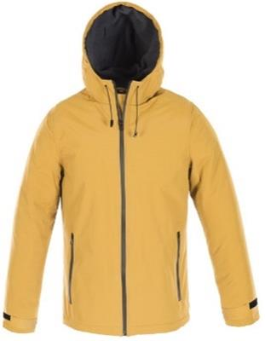 | BLU | BLUE | JACKET | NYLON | NEUTRO | CHINA | MAN | 17 |  |  | 4 | 4 | 8 | 1
18280673X-S |  | NERO | BLACK | JACKET | NYLON | NEUTRO | CHINA | MAN | 13 |  |  | 3 | 6 | 3 | 1
20633X-CS | 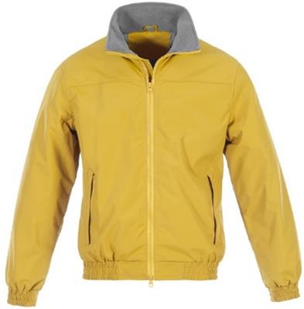 | ROSSO | RED | JACKET | NYLON | SINFUL | CHINA | MAN | 2 |  |  |  |  |  |  | 1 | 1
20639X-S | 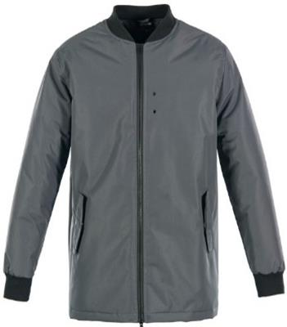 | GRIGIO | GREY | JACKET | NYLON | SINFUL | CHINA | MAN | 9 |  |  | 5 | 4
206505-CS | 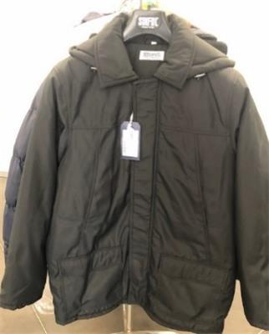 | BLU | BLUE | JACKET | POLYESTERE | SINFUL | CHINA | MAN | 5 |  |  | 1 | 1 | 1 | 1 |  |  | 1
GIUBBINI VARI CON PELO | 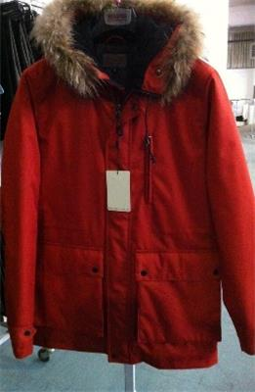 | VARI | VARI | JACKET | POLYESTERE | SWS | CHINA | MAN | 14 |  |  | 6 | 8
20667-B-S | 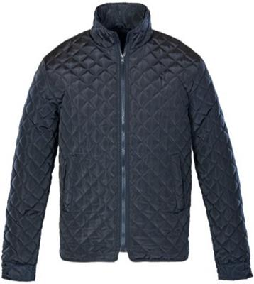 | BLU | BLUE | JACKET | POLYESTERE | SINFUL | CHINA | MAN | 11 |  | 3 | 5 | 3
20674C-CS | 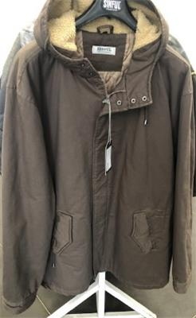 | VERDE | GREEN | JACKET | COTTON | SINFUL | CHINA | MAN | 4 |  |  |  |  |  |  | 2 | 2
20675WM | 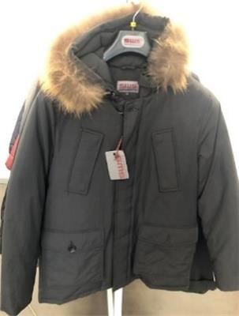 | NERO | BLACK | JACKET | NYLON | SWS | CHINA | MAN | 5 |  |  | 2 | 3
1822041C-H-S | 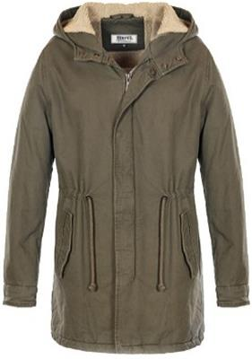 | NAVY | NAVY | JACKET | COTTON | SWS | BANGLADESH | MAN | 49 |  | 14 | 19 | 9 | 7
1822041C-H-S |  | NERO | BLACK | JACKET | COTTON | SWS | BANGLADESH | MAN | 22 |  | 3 | 6 | 6 | 6 | 1
1822041C-H-S |  | VERDE | GREEN | JACKET | COTTON | SWS | BANGLADESH | MAN | 105 | 13 | 33 | 25 | 20 | 14
20687B-CS | 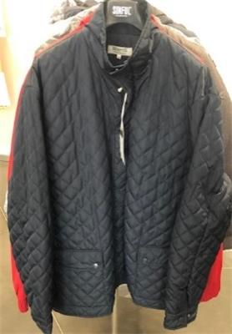 | BLU | BLUE | JACKET | POLYESTERE | SINFUL | CHINA | MAN | 4 |  |  |  |  |  |  | 4
2608NR | 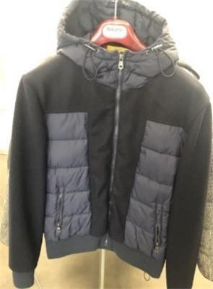 | BLU | BLUE | JACKET | POLYESTERE | GARAGE | CHINA | MAN | 3 |  |  | 1 | 2
2620TL | 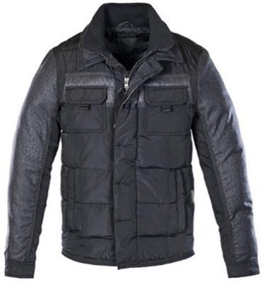 | BLU | BLUE | JACKET | POLYESTERE | SWS | CHINA | MAN | 1 |  |  | 1
2620TL |  | GRIGIO | GREY | JACKET | POLYESTERE | SWS | CHINA | MAN | 1 |  | 1
2630I | 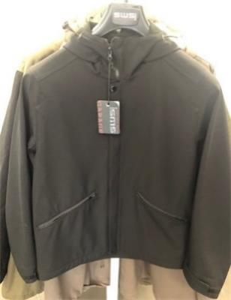 | NERO | BLACK | JACKET | POLYESTERE | GARAGE | CHINA | MAN | 7 |  |  | 5 | 2
18240636J-C-S | 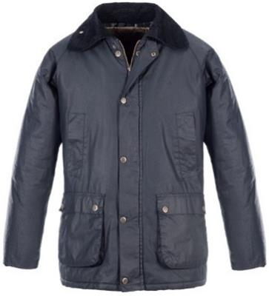 | BLU | BLUE | JACKET | COTTON/PU | NEUTRO | CHINA | MAN | 36 |  |  |  |  |  |  | 11 | 5 | 8 | 6 | 6
2634S | 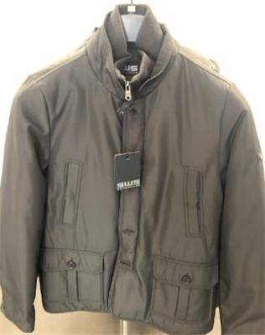 | GRIGIO | GREY | JACKET | POLYESTERE | SWS | CHINA | MAN | 3 |  |  | 3
2644S | 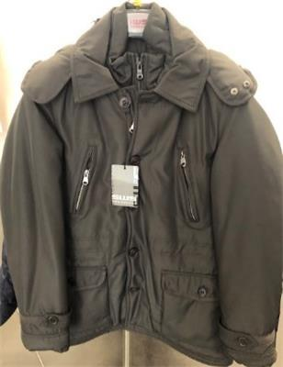 | NERO | BLACK | JACKET | POLYESTERE | SWS | CHINA | MAN | 3 |  |  | 3
2655V-S | 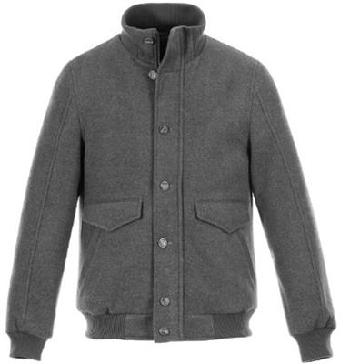 | PANNO | PANNO | JACKET | POLYESTERE | SWS | CHINA | MAN | 8 |  |  | 4 | 4
2664CS | 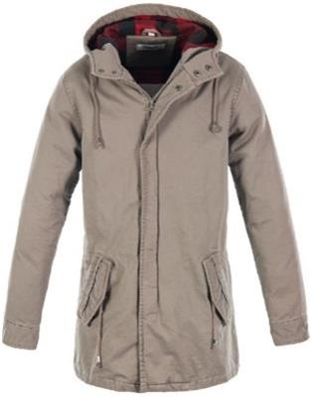 | VERDE | GREEN | JACKET | COTTON | SWS | CHINA | MAN | 1 |  |  |  | 1
266IUN | 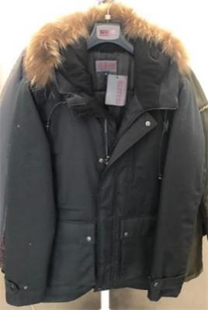 | NERO | BLACK | JACKET | POLYESTERE | SWS | CHINA | MAN | 2 |  |  |  | 2
266IUN |  | ROSSO | RED | JACKET | POLYESTERE | SWS | CHINA | MAN | 1 |  |  |  | 1
40611G-S | 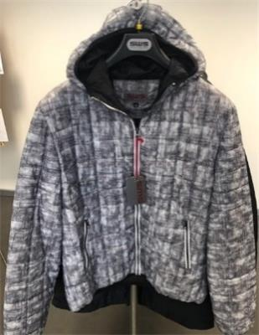 | FANT.GRIGIO | FANT.GREY | JACKET | POLYESTERE | SWS | CHINA | MAN | 5 |  |  | 2 | 3
40612N-CS | 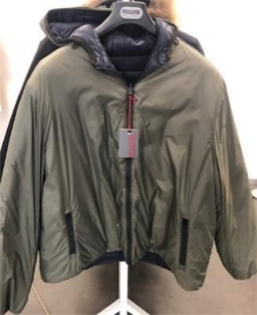 | VERDE | GREEN | JACKET | POLYESTERE | SWS | CHINA | MAN | 2 |  |  |  |  |  |  | 2
40634TL-S | 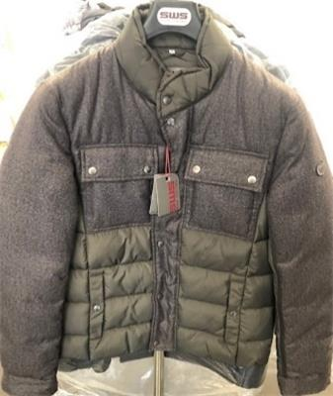 | FANGO | GREY BROWN | JACKET | POLYESTERE | SWS | CHINA | MAN | 8 |  |  | 5 | 3
18240623DL-C-S | 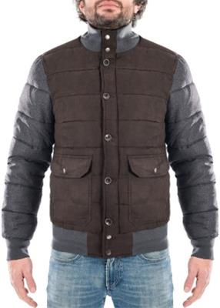 | BLU | BLUE | JACKET | POLYESTERE | NEUTRO | CHINA | MAN | 23 |  |  |  |  |  |  | 3 | 8 | 7 | 3 | 2
18240623DL-C-S |  | PIOMBO | PLUMBUM | JACKET | POLYESTERE | NEUTRO | CHINA | MAN | 24 |  |  |  |  |  |  | 6 | 7 | 6 | 3 | 2
40635TL-S | 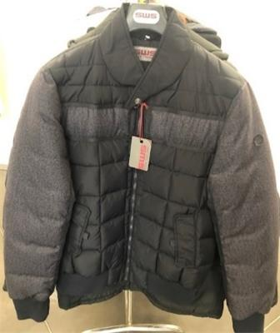 | NERO | BLACK | JACKET | POLYESTERE | SWS | CHINA | MAN | 5 |  |  | 3 | 2
40639N-GS |  | GRIGIO | GREY | JACKET | POLYESTERE | SWS | CHINA | MAN | 7 |  |  | 2 | 5
40647BE-S |  | NERO | BLACK | JACKET | POLYESTERE | SWS | CHINA | MAN | 11 |  |  | 5 | 6
40657NX-S |  | ROYAL | BLUE | JACKET | POLYESTERE | SWS | CHINA | MAN | 9 |  |  | 4 | 5
40664X-S |  | NERO | BLACK | JACKET | NYLON | SWS | CHINA | MAN | 5 |  |  | 2 | 3
40683T-S |  | NERO | BLACK | JACKET | POLYESTERE | SWS | CHINA | MAN | 7 |  |  | 4 | 3
638N-C |  | VERDE | GREEN | JACKET | POLYESTERE | NEUTRO | CHINA | MAN | 4 |  |  |  |  |  |  |  | 2 | 1 | 1
80613ZK-S |  | NERO | BLACK | JACKET | POLYESTERE | GARAGE | CHINA | MAN | 5 |  |  | 1 | 4
80621NG-S |  | NERO | BLACK | JACKET | POLYESTERE | GARAGE | CHINA | MAN | 3 |  |  | 2 | 1
80622O-S |  | PIED | PIED | JACKET | POLYESTERE | GARAGE | CHINA | MAN | 7 |  |  | 7
80628Y-S |  | MILITARE | MILITARY | JACKET | POLYESTERE | GARAGE | BANGLADESH | MAN | 8 |  |  | 4 | 4
80629M-S |  | FANT.LANA | (пусто) | JACKET | POLYESTERE | GARAGE | CHINA | MAN | 8 |  |  |  | 8
80632UK-S |  | VERDE | GREEN | JACKET | POLYESTERE | GARAGE | CHINA | MAN | 8 |  |  | 5 | 3
80657Q-S |  | ROYAL | BLUE | JACKET | POLYESTERE | GARAGE | CHINA | MAN | 2 |  | 1 |  | 1
80657Q-S |  | VERDE | GREEN | JACKET | POLYESTERE | GARAGE | CHINA | MAN | 5 |  |  | 1 | 1 |  | 3
80660GF-S |  | VERDE | GREEN | JACKET | POLYESTERE | GARAGE | CHINA | MAN | 1 |  |  |  | 1
80662TP-S |  | BLU | BLUE | JACKET | POLYESTERE | GARAGE | CHINA | MAN | 10 |  |  |  | 10
80668C-S |  | VERDE | GREEN | JACKET | COTTON | GARAGE | CHINA | MAN | 12 |  | 1 | 5 | 5 | 1
80671C-GS |  | FANGO | GREY BROWN | JACKET | COTTON | GARAGE | CHINA | MAN | 16 |  |  | 5 | 7 | 4
80672N-S |  | BORDEAUX | BORDEAUX | JACKET | POLYESTERE | GARAGE | CHINA | MAN | 10 |  |  | 5 | 5
80676N-S |  | BLU | BLUE | JACKET | POLYESTERE | GARAGE | CHINA | MAN | 8 |  |  | 4 | 4
80681O |  | GRIGIO | GREY | JACKET | POLYESTERE | GARAGE | CHINA | MAN | 7 |  |  | 5 | 2
80686T-SS |  | NERO | BLACK | JACKET | POLYESTERE | GARAGE | CHINA | MAN | 10 |  |  | 5 | 5
80692X-SS |  | BLU | BLUE | JACKET | NYLON | GARAGE | CHINA | MAN | 3 |  |  | 1 | 2
CAPPOTTI |  | (пусто) | (пусто) | JACKET | POLYESTERE | SWS | CHINA | MAN | 2 |  |  |  | 1 | 1
TIPO 641CH |  | 641CH | 641CH | JACKET | COTTON | SWS | BANGLADESH | MAN | 4 |  |  | 2 | 2
VARI |  | VARI | VARI | JACKET | POLYESTERE | SWS | CHINA | MAN | 72 |  | 7 | 20 | 20 | 14 | 8 | 3
VARI SENZA CODICE |  | SENZA | SENZA | JACKET | POLYESTERE | SWS | CHINA | MAN | 4 |  |  |  | 4
10693Q-MS |  | BIANCO | WHITE | JACKET | POLYESTERE | E' VITA | CHINA | WOMAN | 1 |  | 1
10693Q-MS |  | ROSA | PINK | JACKET | POLYESTERE | E' VITA | CHINA | WOMAN | 2 |  | 2
10694Q-MS |  | BIANCO | WHITE | JACKET | POLYESTERE | E' VITA | CHINA | WOMAN | 3 |  | 3
18210695G-S |  | BLU | BLUE | JACKET | POLYESTERE | DARITEX | CHINA | WOMAN | 48 | 6 | 9 | 12 | 12 | 9
18210695G-S |  | NERO | BLACK | JACKET | POLYESTERE | DARITEX | CHINA | WOMAN | 79 | 9 | 15 | 21 | 21 | 13
18210697G-S |  | NERO | BLACK | JACKET | POLYESTERE | NEUTRO | CHINA | WOMAN | 7 |  | 2 | 2 | 2 | 1

